Front Label
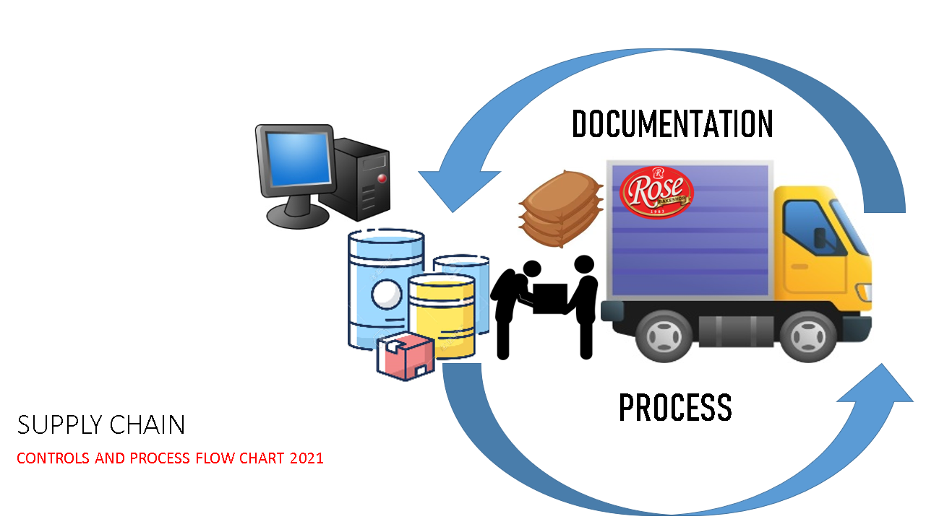

Sale of Scrap Items Flow
All buyers of Scrapt Items are considered external.
BUYER will transact only at Finance & Administration Department Head Office through its assigned General Accounting Section Staff.
1
3
SO 2
3
SR 2
BUYER will bring 2 sets of SO & SR to Property Custodian to retrieve the purchased Scrap Items.
4
Buyer will pick up the purchased Scrap Items from the Property Custodian. Bring 2 sets of SO & SR.
3
SO 2
3
SR 2
6
11
SO 3
SR 3
END
General Accounting Section assigned Staff, accomodates intent of the buyer to purchase Scrap Items.
1. Accounting Staff confirm type of scrap item, quantity & Price with the buyer.
2. Checks the Inventory Level of the particular Scrap Item with Property Control inventory level in QBe.
3. Once confirmed. Accounting Staff generate 3 copies of QBe Sales Order in complete detail. Transmit SO to Treasury/Cashier Section.
3. Forward 3 copies to Treasury Cashier & acknowledged in the Logbook..
2
Company Policy: All Sale of Scrap Items are in Cash. NO ACCOUNTS RECEIVABLE.
1. Treasury Cashier, receives 3 copies of SO from Accounting Staff, confirm type of scrap item, quantity & Price with the buyer.
2. Receive Cash Payment with the Buyer, equal amount in the SO & deposit to bank a day after (1 day lead time)
3. Generate 3 copies QBe Sales Receipt & attached each to SO's.
4. Buyer to acknowledged through name & signature to the SO & SR.
5. Treasury Cashier retain 1 set of SO & SR. 2 copies hand to the buyer for retrieval of the Scrap Items from the Property Control.
6. Let the buyer acknowledged in the logbook.
3
2
SO 1
3
2
SO 1
3
2
SR 1
3
FILE
Cost & Inventory Management will record inventory movement & submit report to top managment.
SO 2
11
Deposit Slip
Bank Reconcilation.
3 B
3 C
1 Day Lead Time
 | JATHNIER CORPORATION SALE OF SCRAP ITEMS PROCESS FLOW 2023
FINANCE & PROPERTY CONTROL PROCESS FLOW | BUYER
 | FINANCE & ADMINISTRATION General Accounting / Treasury / Cashier | 
SR 2
Property Custodian Receives 2 sets of SO & SR from the Buyer.
1. Property Custodian will check completeness & veracity of the SO/SR documents.
2, Prepares the Scrap Items as per SO/SR.
3. Stamp mark "RELEASE" 2 set of SR/SO.
4. Retain 1 set of SO/SR for inventory control & submission to Cost & Inventory Management Section of Finance Department.
Items:
1. Laton
2. Container
3. Sack
Treasury Cashier coordinates to Property Custodian SO & SR issued to the Buyer through GC or Email.
5
7
SO 2
SR 2
Property Custodian execute releasing & loading procedure of purchased Scrap Items to the Buyer's logistics.
Set copy of SO/SR will serve as Security Gate Pass.
Items:
1. Laton
2. Container
3. Sack
SO 3
SR 3
SO 3
SR 3
Security Guard will check the SO/SR/GP and the Scrap Items loaded. Acknowledged SO/SR/GP and record on the Log Book.
8
10
Gate Pass 2
Gate Keeper
1.Gate Keeper will check the veracity of SO/SR and physical Scrap Items.
2. Issue Gate Pass in 2 copies. Retain 1 copy & give 1 copy to the buyer.
3. Record in the Logbook transaction documents.
2
Gate Pass 1
9
 | PROPERTY CONTROL

